Template
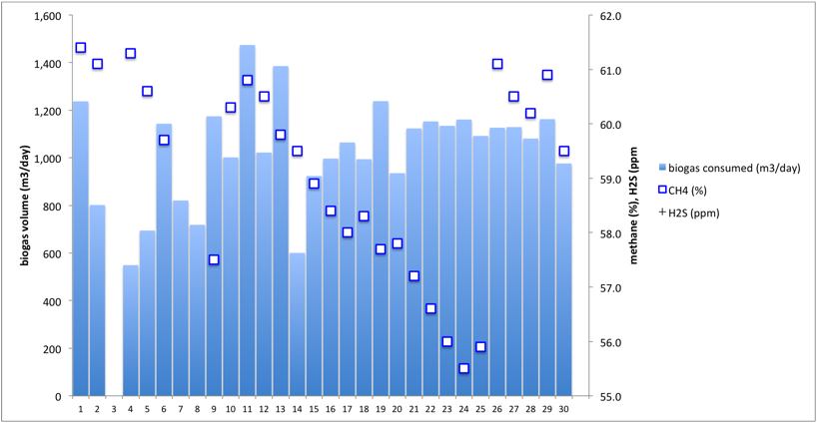
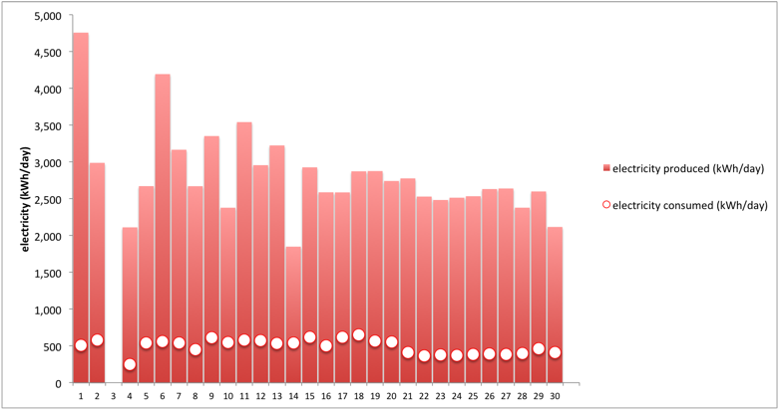
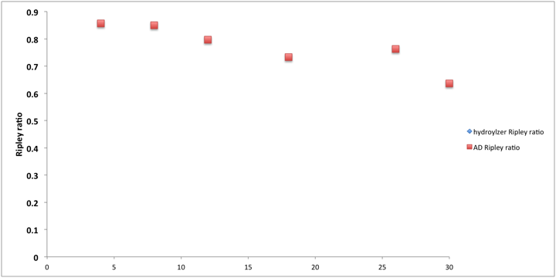
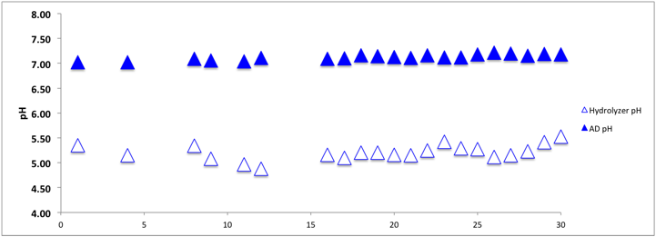
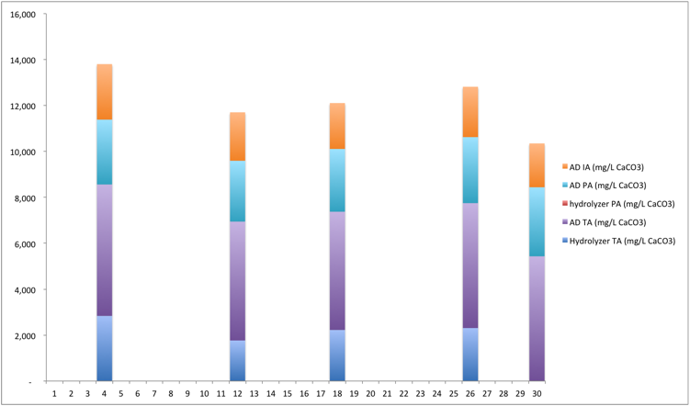
VTCAD ___MONTH___ 2015 Operational Data
notes | Day of _____ 2015 | biogas consumed (m3/day) | CH4 (%) | H2S (ppm) | day | electricity consumed (kWh/day) | electricity produced (kWh/day) | day | Hydrolyzer pH | AD pH | day | hydroylzer Ripley ratio | AD Ripley ratio | day | Hydrolyzer TA (mg/L CaCO3) | hydrolyzer PA (mg/L CaCO3) | hydrolyzer IA (mg/L CaCO3) | AD TA (mg/L CaCO3) | AD PA (mg/L CaCO3) | AD IA (mg/L CaCO3) | generator starts | flare starts | 2G cumulative biogas (m3) | generator cumulative operation (hrs)
 | 1 |  |  |  | 1 |  |  | 1 |  |  | 1 |  |  | 1
 | 2 |  |  |  | 2 |  |  | 2 |  |  | 2 |  |  | 2
 | 3 |  |  |  | 3 |  |  | 3 |  |  | 3 |  |  | 3
 | 4 |  |  |  | 4 |  |  | 4 |  |  | 4 |  |  | 4
 | 5 |  |  |  | 5 |  |  | 5 |  |  | 5 |  |  | 5
 | 6 |  |  |  | 6 |  |  | 6 |  |  | 6 |  |  | 6
 | 7 |  |  |  | 7 |  |  | 7 |  |  | 7 |  |  | 7
 | 8 |  |  |  | 8 |  |  | 8 |  |  | 8 |  |  | 8
 | 9 |  |  |  | 9 |  |  | 9 |  |  | 9 |  |  | 9
 | 10 |  |  |  | 10 |  |  | 10 |  |  | 10 |  |  | 10
 | 11 |  |  |  | 11 |  |  | 11 |  |  | 11 |  |  | 11
 | 12 |  |  |  | 12 |  |  | 12 |  |  | 12 |  |  | 12
 | 13 |  |  |  | 13 |  |  | 13 |  |  | 13 |  |  | 13
 | 14 |  |  |  | 14 |  |  | 14 |  |  | 14 |  |  | 14
 | 15 |  |  |  | 15 |  |  | 15 |  |  | 15 |  |  | 15
 | 16 |  |  |  | 16 |  |  | 16 |  |  | 16 |  |  | 16
 | 17 |  |  |  | 17 |  |  | 17 |  |  | 17 |  |  | 17
 | 18 |  |  |  | 18 |  |  | 18 |  |  | 18 |  |  | 18
 | 19 |  |  |  | 19 |  |  | 19 |  |  | 19 |  |  | 19
 | 20 |  |  |  | 20 |  |  | 20 |  |  | 20 |  |  | 20
 | 21 |  |  |  | 21 |  |  | 21 |  |  | 21 |  |  | 21
 | 22 |  |  |  | 22 |  |  | 22 |  |  | 22 |  |  | 22
 | 23 |  |  |  | 23 |  |  | 23 |  |  | 23 |  |  | 23
 | 24 |  |  |  | 24 |  |  | 24 |  |  | 24 |  |  | 24
 | 25 |  |  |  | 25 |  |  | 25 |  |  | 25 |  |  | 25
 | 26 |  |  |  | 26 |  |  | 26 |  |  | 26 |  |  | 26
 | 27 |  |  |  | 27 |  |  | 27 |  |  | 27 |  |  | 27
 | 28 |  |  |  | 28 |  |  | 28 |  |  | 28 |  |  | 28
 | 29 |  |  |  | 29 |  |  | 29 |  |  | 29 |  |  | 29
 | 30 |  |  |  | 30 |  |  | 30 |  |  | 30 |  |  | 30

 | average | #DIV/0! | #DIV/0! | #DIV/0! | average | #DIV/0! | #DIV/0! |  | #DIV/0! | #DIV/0! |  |  | #DIV/0! | average | #DIV/0! |  | #DIV/0! | #DIV/0! | #DIV/0! | #DIV/0!
 | SD | #DIV/0! | #DIV/0! | #DIV/0! | SD | #DIV/0! | #DIV/0! |  | #DIV/0! | #DIV/0! |  |  | #DIV/0! | SD | #DIV/0! |  | #DIV/0! | #DIV/0! | #DIV/0! | #DIV/0!

Jan'16
VTCAD January 2016 Operational Data
notes | Day of Jan 2016 | biogas consumed (m3/day) | CH4 (%) | H2S (ppm) | day | electricity consumed (kWh/day) | electricity produced (kWh/day) | day | Hydrolyzer pH | AD pH | day | hydroylzer Ripley ratio | AD Ripley ratio | day | Hydrolyzer TA (mg/L CaCO3) | hydrolyzer PA (mg/L CaCO3) | hydrolyzer IA (mg/L CaCO3) | AD TA (mg/L CaCO3) | AD PA (mg/L CaCO3) | AD IA (mg/L CaCO3) | day | generator starts | flare starts | 2G cumulative biogas (m3) | generator cumulative operation (hrs)
Hydrolysis slurry thick. | 1 | 2,503 | 64.4 | 270 | 1 | 1,253 | 9,535 | 1 | 5.14 | 7.08 | 1 |  |  | 1 |  |  |  |  |  |  | 1 | 9 | 0 | 534957 | 4953
Hydrolysis slurry thinning out. | 2 | 1,772 | 60.8 | 376 | 2 | 616 | 5,029 | 2 | 4.90 | 6.96 | 2 |  |  | 2 |  |  |  |  |  |  | 2 | 7 | 1 | 536757 | 4968
 | 3 | 2,539 | 64.2 | 274 | 3 | 601 | 7,611 | 3 | 4.76 | 7.04 | 3 |  |  | 3 |  |  |  |  |  |  | 3 | 4 | 8 | 539257 | 4998
Pump blocked & top box overflowing. Separator pipe plugged. Flare water trap frozen & heat tape cold. Later manaully emptied water trap & started flare. | 4 | 1,916 | 63.7 | 269 | 4 | 626 | 7,354 | 4 | 4.89 | 7.19 | 4 |  |  | 4 |  |  |  |  |  |  | 4 | 4 | 0 | 541257 | 5009
 | 5 | 2,224 | 65.1 | 283 | 5 | 648 | 7,843 | 5 |  |  | 5 |  |  | 5 |  |  |  |  |  |  | 5 | 4 | 0 | 543857 | 5033
 | 6 | 2,105 | 63.9 | 315 | 6 | 583 | 7,198 | 6 | 4.90 | 7.07 | 6 |  |  | 6 |  |  |  |  |  |  | 6 | 4 | 4 | 545657 | 5050
 | 7 | 2,428 | 66.1 | 205 | 7 | 594 | 8,224 | 7 |  |  | 7 |  |  | 7 |  |  |  |  |  |  | 7 | 3 | 1 | 548157 | 5073
 | 8 | 2,363 | 67.2 | 254 | 8 | 621 | 7,704 | 8 | 5.16 | 7.17 | 8 |  |  | 8 |  |  |  |  |  |  | 8 | 3 | 2 | 550357 | 5092
 | 9 | 2,184 | 66.8 | 259 | 9 | 580 | 7,450 | 9 | 5.42 | 7.17 | 9 |  |  | 9 |  |  |  |  |  |  | 9 | 4 | 0 | 552557 | 5113
Lots of wood chips in digestate | 10 | 1,975 | 65.6 | 360 | 10 | 569 | 6,952 | 10 | 5.38 | 7.05 | 10 |  |  | 10 |  |  |  |  |  |  | 10 | 5 | 0 | 554657 | 5133
 | 11 | 1,936 | 66.2 | 348 | 11 | 557 | 6,835 | 11 | 5.78 | 7.18 | 11 |  |  | 11 |  |  |  |  |  |  | 11 | 6 | 0 | 557057 | 5156
data taken at 2 pm vs. 8 am | 12 | 1,809 | 63.0 | 170 | 12 | 544 | 605 | 12 | 5.42 | 7.17 | 12 |  |  | 12 |  |  |  |  |  |  | 12 | 5 | 0 | 558457 | 5169
 | 13 | 1,542 | 65.5 | 274 | 13 | 612 | 5,396 | 13 | 5.40 | 7.35 | 13 |  |  | 13 |  |  |  |  |  |  | 13 | 6 | 0 | 560057 | 5184
 | 14 | 1,607 | 64.8 | 285 | 14 | 572 | 5,247 | 14 | 5.42 | 7.26 | 14 |  |  | 14 |  |  |  |  |  |  | 14 | 7 | 0 | 561757 | 5200
 | 15 | 1,490 | 65.4 | 253 | 15 | 584 | 4,905 | 15 | 5.53 | 7.15 | 15 |  |  | 15 |  |  |  |  |  |  | 15 | 7 | 0 | 563157 | 5213
 | 16 | 1,259 | 63.9 | 268 | 16 | 614 | 4,794 | 16 | 5.49 | 7.17 | 16 |  |  | 16 |  |  |  |  |  |  | 16 | 7 | 0 | 564457 | 5226
 | 17 | 1,078 | 64.8 | 243 | 17 | 634 | 4,042 | 17 | 5.88 | 7.38 | 17 |  |  | 17 |  |  |  |  |  |  | 17 | 7 | 0 | 565457 | 5238
 | 18 | 1,091 | 64.4 | 241 | 18 | 547 | 3,829 | 18 |  |  | 18 |  |  | 18 |  |  |  |  |  |  | 18 | 8 | 0 | 566657 | 5250
 | 19 | 984 | 62.8 | 260 | 19 | 590 | 3,835 | 19 | 5.57 | 7.45 | 19 |  |  | 19 |  |  |  |  |  |  | 19 | 7 | 0 | 567657 | 5260
Thin digestate | 20 | 832 | 63.9 | 213 | 20 | 602 | 3,129 | 20 | 5.49 | 7.24 | 20 |  |  | 20 |  |  |  |  |  |  | 20 | 6 | 0 | 568557 | 5270
Thinnish digestate | 21 | 877 | 62.6 | 276 | 21 | 594 | 3,312 | 21 | 5.56 | 7.28 | 21 |  |  | 21 |  |  |  |  |  |  | 21 | 7 | 0 | 569357 | 5279
 | 22 | 724 | 61.8 | 240 | 22 | 610 | 2,796 | 22 | 5.69 | 7.30 | 22 |  |  | 22 |  |  |  |  |  |  | 22 | 6 | 4 | 570057 | 5287
 | 23 | 1,074 | 61.3 | 235 | 23 | 618 | 3,248 | 23 | 5.22 | 7.15 | 23 |  |  | 23 |  |  |  |  |  |  | 23 | 6 | 0 | 571157 | 5296
 | 24 | 837 | 62.1 | 331 | 24 | 616 | 3,090 | 24 | 5.11 | 7.15 | 24 |  |  | 24 |  |  |  |  |  |  | 24 | 7 | 0 | 572057 | 5305
 | 25 | 725 | 61.6 | 323 | 25 | 563 | 2,827 | 25 | 5.29 | 7.26 | 25 |  |  | 25 |  |  |  |  |  |  | 25 | 6 | 0 | 572757 | 5313
 | 26 | 1,169 | 60.7 | 176 | 26 | 582 | 3,219 | 26 | 5.16 | 7.26 | 26 |  |  | 26 |  |  |  |  |  |  | 26 | 6 | 0 | 573957 | 5322
 | 27 | 1,532 | 59.6 | 211 | 27 | 567 | 3,502 | 27 | 5.00 | 7.28 | 27 |  |  | 27 |  |  |  |  |  |  | 27 | 8 | 0 | 575457 | 5332
 | 28 | 1,205 | 61.0 | 233 | 28 | 553 | 4,100 | 28 | 5.05 | 7.30 | 28 |  |  | 28 |  |  |  |  |  |  | 28 | 8 | 0 | 576757 | 5345
 | 29 | 1,003 | 61.9 | 213 | 29 | 670 | 3,777 | 29 | 5.04 | 7.32 | 29 |  |  | 29 |  |  |  |  |  |  | 29 | 6 | 16 | 577157 | 5355
 | 30 | 1,884 | 60.7 | 120 | 30 | 521 | 4,921 | 30 | 4.95 | 7.28 | 30 |  |  | 30 |  |  |  |  |  |  | 30 | 8 | 0 | 579657 | 5370
 | 31 | 1,860 | 60.1 | 201 | 31 | 603 | 5,190 | 31 | 4.93 | 7.27 | 31 |  |  |  |  |  |  |  |  |  | 31 | 7 | 0 | 581557 | 5384

 | average | 1,565 | 63.4 | 257 | average | 614 | 5,081 |  | 5.27 | 7.21 |  |  | #DIV/0! | average | #DIV/0! |  | #DIV/0! | #DIV/0! | #DIV/0! | #DIV/0! | average
 | SD | 570 | 2.1 | 56 | SD | 123 | 2,083 |  | 0.30 | 0.11 |  |  | #DIV/0! | SD | #DIV/0! |  | #DIV/0! | #DIV/0! | #DIV/0! | #DIV/0! | SD

 | biogas consumed (m3/day) | CH4 (%) | H2S (ppm)
1 | 1237.3333333 | 61.4
2 | 801.64948454 | 61.1
3
4 | 549 | 61.3
5 | 694.49591281 | 60.6
6 | 1143.3216538 | 59.7
7 | 820.89795918
8 | 718.41059603
9 | 1174.3396226 | 57.5
10 | 1001.6963064 | 60.3
11 | 1474.054054 | 60.8
12 | 1022.2222222 | 60.5
13 | 1385.6 | 59.8
14 | 600.41350792 | 59.5
15 | 923.5443038 | 58.9
16 | 996.83544304 | 58.4
17 | 1064.5272206 | 58
18 | 994.26284189 | 58.3
19 | 1238.2417582 | 57.7
20 | 935.4893617 | 57.8
21 | 1123.4851485 | 57.2
22 | 1153.0434783 | 56.6
23 | 1134.5142857 | 56
24 | 1161 | 55.5
25 | 1092 | 55.9
26 | 1126.6575716 | 61.1
27 | 1129.2579986 | 60.5
28 | 1080.7741935 | 60.2
29 | 1162.56 | 60.9
30 | 976.35968093 | 59.5
 | 0

 | electricity produced (kWh/day) | electricity consumed (kWh/day)
1 | 4757.3333333 | 505.21212121
2 | 2987.8762887 | 578.96907217
3
4 | 2111 | 247
5 | 2671.0626703 | 540.49046322
6 | 4193.8612474 | 559.04695165
7 | 3166.0408163 | 538.7755102
8 | 2670.1986755 | 452.45033113
9 | 3351.9496855 | 608.80503145
10 | 2377.6744186 | 544.67852257
11 | 3541.6216216 | 577.94594594
12 | 2956.0493827 | 574.81481482
13 | 3224.5333333 | 535.46666667
14 | 1848.8766368 | 538.8835286
15 | 2926.8716094 | 618.87884268
16 | 2587.2151899 | 502.40506329
17 | 2586.017192 | 617.87965616
18 | 2872.3148766 | 652.2748499
19 | 2876.043956 | 568.68131868
20 | 2741.106383 | 555.57446809
21 | 2776.3960396 | 410.61386139
22 | 2529.3913044 | 367.30434783
23 | 2482.9714286 | 380.57142857
24 | 2514 | 374
25 | 2534 | 384
26 | 2631.4870396 | 389.95907231
27 | 2638.8563649 | 385.24166099
28 | 2378.3225806 | 400.51612903
29 | 2598.72 | 460.8
30 | 2116.6642495 | 409.34010152
 | 0

 | hydroylzer Ripley ratio | AD Ripley ratio
1
2
3
4 |  | 0.85666666667
5
6
7
8 |  | 0.85
9
10
11
12 |  | 0.79666666667
13
14
15
16
17
18 |  | 0.73333333333
19
20
21
22
23
24
25
26 |  | 0.76333333333
27
28
29
30 |  | 0.63666666667

 | Hydrolyzer pH | AD pH
1 | 5.35 | 7.02
2
3
4 | 5.15 | 7.02
5
6
7
8 | 5.34 | 7.09
9 | 5.08 | 7.06
10
11 | 4.97 | 7.04
12 | 4.88 | 7.11
13
14
15
16 | 5.16 | 7.09
17 | 5.1 | 7.1
18 | 5.2 | 7.16
19 | 5.2 | 7.14
20 | 5.16 | 7.13
21 | 5.15 | 7.11
22 | 5.25 | 7.16
23 | 5.42 | 7.12
24 | 5.29 | 7.12
25 | 5.27 | 7.18
26 | 5.12 | 7.21
27 | 5.15 | 7.2
28 | 5.23 | 7.15
29 | 5.41 | 7.19
30 | 5.53 | 7.18

 | Hydrolyzer TA (mg/L CaCO3) | AD TA (mg/L CaCO3) | hydrolyzer PA (mg/L CaCO3) | AD PA (mg/L CaCO3) | AD IA (mg/L CaCO3)
1
2
3
4 | 2837.5 | 5725 |  | 2825 | 2416.6666667
5
6
7
8
9
10
11
12 | 1766.6666667 | 5179.1666667 |  | 2650 | 2108.3333333
13
14
15
16
17
18 | 2225 | 5150 |  | 2733.3333333 | 2000
19
20
21
22
23
24
25
26 | 2308.3333333 | 5441.6666667 |  | 2875 | 2191.6666667
27
28
29
30 |  | 5433.3333333 |  | 3008.3333333 | 1908.3333333

Feb'16
VTCAD February 2016 Operational Data
notes | Day of Feb 2016 | biogas consumed (m3/day) | CH4 (%) | H2S (ppm) | day | electricity consumed (kWh/day) | electricity produced (kWh/day) | day | Hydrolyzer pH | AD pH | day | hydroylzer Ripley ratio | AD Ripley ratio | day | Hydrolyzer TA (mg/L CaCO3) | hydrolyzer PA (mg/L CaCO3) | hydrolyzer IA (mg/L CaCO3) | AD TA (mg/L CaCO3) | AD PA (mg/L CaCO3) | AD IA (mg/L CaCO3) | day | generator starts | flare starts | 2G cumulative biogas (m3) | generator cumulative operation (hrs)
 | 1 | 1,594 | 61.7 | 148 | 1 | 514 | 5,591 | 1 | 5.15 | 7.30 | 1 |  |  | 1 |  |  |  |  |  |  | 1 | 8 | 0 | 583257 | 5401
 | 2 | 2,004 | 59.2 | 86 | 2 | 559 | 5,372 | 2 |  |  | 2 |  |  | 2 |  |  |  |  |  |  | 2 | 8 | 0 | 585457 | 5426
 | 3 | 1,679 | 60.8 | 115 | 3 | 595 | 5,839 | 3 |  |  | 3 |  |  | 3 |  |  |  |  |  |  | 3 | 7 | 0 | 597257 | 5434
 | 4 | 1,485 | 62.2 | 136 | 4 | 570 | 5,666 | 4 |  |  | 4 |  |  | 4 |  |  |  |  |  |  | 4 | 6 | 0 | 588557 | 5448
 | 5 | 1,578 | 63.1 | 267 | 5 | 595 | 5,853 | 5 | 5.28 | 7.39 | 5 |  |  | 5 |  |  |  |  |  |  | 5 | 7 | 0
 | 6 | 1,953 | 64.8 | 253 | 6 | 612 | 6,526 | 6 | 5.47 | 7.42 | 6 |  |  | 6 |  |  |  |  |  |  | 6 | 6 | 0 | 592157 | 5483
 | 7 | 1,622 | 63.2 | 358 | 7 | 604 | 6,160 | 7 | 5.30 | 7.29 | 7 |  |  | 7 |  |  |  |  |  |  | 7 | 6 | 0 | 593757 | 5500
 | 8 | 1,747 | 64.0 | 311 | 8 | 564 | 6,431 | 8 | 5.49 | 7.30 | 8 |  |  | 8 |  |  |  |  |  |  | 8 | 6 | 0 | 595657 | 5518
 | 9 | 2,042 | 64.6 | 197 | 9 | 579 | 6,690 | 9 | 5.18 | 7.25 | 9 |  |  | 9 |  |  |  |  |  |  | 9 | 5 | 0 | 597457 | 5535
 | 10 | 1,834 | 64.6 | 327 | 10 | 661 | 6,743 | 10 | 5.17 | 7.20 | 10 |  |  | 10 |  |  |  |  |  |  | 10 | 6 | 0 | 599357 | 5553
 | 11 | 1,697 | 65.2 | 257 | 11 | 626 | 6,250 | 11 | 5.06 | 7.24 | 11 |  |  | 11 |  |  |  |  |  |  | 11 | 7 | 0 | 601257 | 5573
 | 12 | 1,917 | 64.6 | 360 | 12 | 555 | 6,201 | 12 | 5.11 | 7.24 | 12 |  |  | 12 |  |  |  |  |  |  | 12 | 5 | 0 | 602957 | 5589
 | 13 | 1,904 | 64.4 | 227 | 13 | 580 | 6,542 | 13 | 5.03 | 7.18 | 13 |  |  | 13 |  |  |  |  |  |  | 13 | 5 | 0 | 604757 | 5606
 | 14 | 1,820 | 64.8 | 367 | 14 | 497 | 5,527 | 14 | 5.02 | 7.15 | 14 |  |  | 14 |  |  |  |  |  |  | 14 | 7 | 0 | 606657 | 5621
 | 15 | 1,715 | 64.4 | 393 | 15 | 585 | 5,501 | 15 | 5.11 | 7.24 | 15 |  |  | 15 |  |  |  |  |  |  | 15 | 7 | 0 | 608457 | 5638
 | 16 | 1,741 | 64.0 | 229 | 16 | 570 | 5,860 | 16 |  |  | 16 |  |  | 16 |  |  |  |  |  |  | 16 | 7 | 2 | 610257 | 5655
 | 17 | 2,367 | 61.9 | 202 | 17 | 607 | 6,057 | 17 | 5.05 | 7.37 | 17 |  |  | 17 |  |  |  |  |  |  | 17 | 6 | 0 | 612457 | 5670
 | 18 | 2,090 | 62.1 | 745 | 18 | 594 | 6,099 | 18 |  |  | 18 |  |  | 18 |  |  |  |  |  |  | 18 | 6 | 0 | 614657 | 5587
 | 19 | 1,632 | 63.5 | 176 | 19 | 559 | 5,650 | 19 | 5.07 | 7.22 | 19 |  |  | 19 |  |  |  |  |  |  | 19 | 6 | 0 | 616357 | 5704
 | 20 | 2,451 | 63.2 | 82 | 20 | 521 | 5,988 | 20 | 4.96 | 7.20 | 20 |  |  | 20 |  |  |  |  |  |  | 20 | 7 | 0 | 618857 | 5721
genset tripped | 21 | 950 | 65.9 | 127 | 21 | 578 | 2,176 | 21 | 5.13 | 7.30 | 21 |  |  | 21 |  |  |  |  |  |  | 21 | 3 | 47 | 619857 | 5727
 | 22 | 605 | 65.9 | 110 | 22 | 506 | 1,928 | 22 | 5.09 | 7.21 | 22 |  |  | 22 |  |  |  |  |  |  | 22 | 1 | 52 | 620357 | 5732
 | 23 | 2,433 | 61.2 | 164 | 23 | 472 | 6,067 | 23 | 4.96 | 7.20 | 23 |  |  | 23 |  |  |  |  |  |  | 23 | 7 | 0 | 623057 | 5751
 | 24 | 2,601 | 61.6 | 105 | 24 | 557 | 5,963 | 24 | 5.17 | 7.15 | 24 |  |  | 24 |  |  |  |  |  |  | 24 | 6 | 0 | 625957 | 5769
 | 25 | 2,751 | 63.0 | 120 | 25 | 535 | 5,796 | 25 | 5.08 | 7.24 | 25 |  |  | 25 |  |  |  |  |  |  | 25 | 6 | 0 | 628677 | 5785
genset tripped | 26 | 2,509 | 63.3 | 142 | 26 | 561 | 3,312 | 26 | 5.24 | 7.43 | 26 |  |  | 26 |  |  |  |  |  |  | 26 | 7 | 8 | 631057 | 5800
 | 27 | 2,595 | 63.3 | 218 | 27 | 559 | 6,384 | 27 | 5.23 | 7.18 | 27 |  |  | 27 |  |  |  |  |  |  | 27 | 6 | 0 | 633657 | 5817
oil change | 28 | 2,896 | 62.6 | 103 | 28 | 598 | 6,616 | 28 | 5.17 | 7.17 | 28 |  |  | 28 |  |  |  |  |  |  | 28 | 6 | 1 | 636657 | 5836
 | 29 | 2,420 | 64.2 | 100 | 29 | 506 | 6,738 | 29 | 5.17 | 7.18 | 29 |  |  | 29 |  |  |  |  |  |  | 29 | 5 | 1 | 638957 | 5875

 | average | 1,953 | 63.4 | 222 | average | 566 | 5,708 |  | 5.15 | 7.25 |  |  | #DIV/0! | average | #DIV/0! |  | #DIV/0! | #DIV/0! | #DIV/0! | #DIV/0! | average
 | SD | 514 | 1.6 | 138 | SD | 42 | 1,200 |  | 0.13 | 0.08 |  |  | #DIV/0! | SD | #DIV/0! |  | #DIV/0! | #DIV/0! | #DIV/0! | #DIV/0! | SD

 | biogas consumed (m3/day) | CH4 (%) | H2S (ppm)
1 | 1237.3333333 | 61.4
2 | 801.64948454 | 61.1
3
4 | 549 | 61.3
5 | 694.49591281 | 60.6
6 | 1143.3216538 | 59.7
7 | 820.89795918
8 | 718.41059603
9 | 1174.3396226 | 57.5
10 | 1001.6963064 | 60.3
11 | 1474.054054 | 60.8
12 | 1022.2222222 | 60.5
13 | 1385.6 | 59.8
14 | 600.41350792 | 59.5
15 | 923.5443038 | 58.9
16 | 996.83544304 | 58.4
17 | 1064.5272206 | 58
18 | 994.26284189 | 58.3
19 | 1238.2417582 | 57.7
20 | 935.4893617 | 57.8
21 | 1123.4851485 | 57.2
22 | 1153.0434783 | 56.6
23 | 1134.5142857 | 56
24 | 1161 | 55.5
25 | 1092 | 55.9
26 | 1126.6575716 | 61.1
27 | 1129.2579986 | 60.5
28 | 1080.7741935 | 60.2
29 | 1162.56 | 60.9
30 | 976.35968093 | 59.5
 | 0
 | biogas consumed (m3/day) | CH4 (%) | H2S (ppm)
1 | 1237.3333333 | 61.4
2 | 801.64948454 | 61.1
3
4 | 549 | 61.3
5 | 694.49591281 | 60.6
6 | 1143.3216538 | 59.7
7 | 820.89795918
8 | 718.41059603
9 | 1174.3396226 | 57.5
10 | 1001.6963064 | 60.3
11 | 1474.054054 | 60.8
12 | 1022.2222222 | 60.5
13 | 1385.6 | 59.8
14 | 600.41350792 | 59.5
15 | 923.5443038 | 58.9
16 | 996.83544304 | 58.4
17 | 1064.5272206 | 58
18 | 994.26284189 | 58.3
19 | 1238.2417582 | 57.7
20 | 935.4893617 | 57.8
21 | 1123.4851485 | 57.2
22 | 1153.0434783 | 56.6
23 | 1134.5142857 | 56
24 | 1161 | 55.5
25 | 1092 | 55.9
26 | 1126.6575716 | 61.1
27 | 1129.2579986 | 60.5
28 | 1080.7741935 | 60.2
29 | 1162.56 | 60.9
30 | 976.35968093 | 59.5
 | 0

 | electricity produced (kWh/day) | electricity consumed (kWh/day)
1 | 4757.3333333 | 505.21212121
2 | 2987.8762887 | 578.96907217
3
4 | 2111 | 247
5 | 2671.0626703 | 540.49046322
6 | 4193.8612474 | 559.04695165
7 | 3166.0408163 | 538.7755102
8 | 2670.1986755 | 452.45033113
9 | 3351.9496855 | 608.80503145
10 | 2377.6744186 | 544.67852257
11 | 3541.6216216 | 577.94594594
12 | 2956.0493827 | 574.81481482
13 | 3224.5333333 | 535.46666667
14 | 1848.8766368 | 538.8835286
15 | 2926.8716094 | 618.87884268
16 | 2587.2151899 | 502.40506329
17 | 2586.017192 | 617.87965616
18 | 2872.3148766 | 652.2748499
19 | 2876.043956 | 568.68131868
20 | 2741.106383 | 555.57446809
21 | 2776.3960396 | 410.61386139
22 | 2529.3913044 | 367.30434783
23 | 2482.9714286 | 380.57142857
24 | 2514 | 374
25 | 2534 | 384
26 | 2631.4870396 | 389.95907231
27 | 2638.8563649 | 385.24166099
28 | 2378.3225806 | 400.51612903
29 | 2598.72 | 460.8
30 | 2116.6642495 | 409.34010152
 | 0
 | electricity produced (kWh/day) | electricity consumed (kWh/day)
1 | 4757.3333333 | 505.21212121
2 | 2987.8762887 | 578.96907217
3
4 | 2111 | 247
5 | 2671.0626703 | 540.49046322
6 | 4193.8612474 | 559.04695165
7 | 3166.0408163 | 538.7755102
8 | 2670.1986755 | 452.45033113
9 | 3351.9496855 | 608.80503145
10 | 2377.6744186 | 544.67852257
11 | 3541.6216216 | 577.94594594
12 | 2956.0493827 | 574.81481482
13 | 3224.5333333 | 535.46666667
14 | 1848.8766368 | 538.8835286
15 | 2926.8716094 | 618.87884268
16 | 2587.2151899 | 502.40506329
17 | 2586.017192 | 617.87965616
18 | 2872.3148766 | 652.2748499
19 | 2876.043956 | 568.68131868
20 | 2741.106383 | 555.57446809
21 | 2776.3960396 | 410.61386139
22 | 2529.3913044 | 367.30434783
23 | 2482.9714286 | 380.57142857
24 | 2514 | 374
25 | 2534 | 384
26 | 2631.4870396 | 389.95907231
27 | 2638.8563649 | 385.24166099
28 | 2378.3225806 | 400.51612903
29 | 2598.72 | 460.8
30 | 2116.6642495 | 409.34010152
 | 0

 | hydroylzer Ripley ratio | AD Ripley ratio
1
2
3
4 |  | 0.85666666667
5
6
7
8 |  | 0.85
9
10
11
12 |  | 0.79666666667
13
14
15
16
17
18 |  | 0.73333333333
19
20
21
22
23
24
25
26 |  | 0.76333333333
27
28
29
30 |  | 0.63666666667
 | hydroylzer Ripley ratio | AD Ripley ratio
1
2
3
4 |  | 0.85666666667
5
6
7
8 |  | 0.85
9
10
11
12 |  | 0.79666666667
13
14
15
16
17
18 |  | 0.73333333333
19
20
21
22
23
24
25
26 |  | 0.76333333333
27
28
29
30 |  | 0.63666666667

 | Hydrolyzer pH | AD pH
1 | 5.35 | 7.02
2
3
4 | 5.15 | 7.02
5
6
7
8 | 5.34 | 7.09
9 | 5.08 | 7.06
10
11 | 4.97 | 7.04
12 | 4.88 | 7.11
13
14
15
16 | 5.16 | 7.09
17 | 5.1 | 7.1
18 | 5.2 | 7.16
19 | 5.2 | 7.14
20 | 5.16 | 7.13
21 | 5.15 | 7.11
22 | 5.25 | 7.16
23 | 5.42 | 7.12
24 | 5.29 | 7.12
25 | 5.27 | 7.18
26 | 5.12 | 7.21
27 | 5.15 | 7.2
28 | 5.23 | 7.15
29 | 5.41 | 7.19
30 | 5.53 | 7.18
 | Hydrolyzer pH | AD pH
1 | 5.35 | 7.02
2
3
4 | 5.15 | 7.02
5
6
7
8 | 5.34 | 7.09
9 | 5.08 | 7.06
10
11 | 4.97 | 7.04
12 | 4.88 | 7.11
13
14
15
16 | 5.16 | 7.09
17 | 5.1 | 7.1
18 | 5.2 | 7.16
19 | 5.2 | 7.14
20 | 5.16 | 7.13
21 | 5.15 | 7.11
22 | 5.25 | 7.16
23 | 5.42 | 7.12
24 | 5.29 | 7.12
25 | 5.27 | 7.18
26 | 5.12 | 7.21
27 | 5.15 | 7.2
28 | 5.23 | 7.15
29 | 5.41 | 7.19
30 | 5.53 | 7.18

 | Hydrolyzer TA (mg/L CaCO3) | AD TA (mg/L CaCO3) | hydrolyzer PA (mg/L CaCO3) | AD PA (mg/L CaCO3) | AD IA (mg/L CaCO3)
1
2
3
4 | 2837.5 | 5725 |  | 2825 | 2416.6666667
5
6
7
8
9
10
11
12 | 1766.6666667 | 5179.1666667 |  | 2650 | 2108.3333333
13
14
15
16
17
18 | 2225 | 5150 |  | 2733.3333333 | 2000
19
20
21
22
23
24
25
26 | 2308.3333333 | 5441.6666667 |  | 2875 | 2191.6666667
27
28
29
30 |  | 5433.3333333 |  | 3008.3333333 | 1908.3333333
 | Hydrolyzer TA (mg/L CaCO3) | AD TA (mg/L CaCO3) | hydrolyzer PA (mg/L CaCO3) | AD PA (mg/L CaCO3) | AD IA (mg/L CaCO3)
1
2
3
4 | 2837.5 | 5725 |  | 2825 | 2416.6666667
5
6
7
8
9
10
11
12 | 1766.6666667 | 5179.1666667 |  | 2650 | 2108.3333333
13
14
15
16
17
18 | 2225 | 5150 |  | 2733.3333333 | 2000
19
20
21
22
23
24
25
26 | 2308.3333333 | 5441.6666667 |  | 2875 | 2191.6666667
27
28
29
30 |  | 5433.3333333 |  | 3008.3333333 | 1908.3333333

